Description
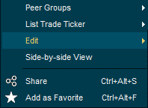
Description:
Import Custom List and Portfolios
You can import your own lists of securities including portfolio positions or weighting with symbols from all asset classes from Excel to Infront.
1. Start the importing process by opening Custom List window (Ctrl+Shift+C)
2. Right-clicking and selecting Edit → Import from Excel.
3. A window will appear to choose the file you want to import.
Custom Fields
To be able to import successfully, one or more identification fields must be provided. There are three alternatives:
1. Feed and Symbol - This is the fastest method. It requires Infront feed code (such as OSS, SSE or NSQ) and a symbol ticker (STL, FB, AAPL)
2. ISIN and Currency
3. ISIN - This import will return a "best guess" for instruments that trade in different currencies.
Note: Add currency to disambiguate
If you don´t know any of the fields above they can be found in the Infront terminal by adding it as a column to a market or custom list.
Optional fields
You can define additional fields to import details about the portfolio holdings. Note that the names of the fields in excel must match the fields defined below:
My Volume
My Weight
My AvgPrice
My Invested
My Group
Use the ready made template in the "Export" spredsheet below

